Mapping
Invoicing Process - GFS Steps

 | Step | As-is | To-be | Mapping | Agent Considerations
 | Issue Invoice
 | P1 Create Invoice | Create invoice |  | 5.3.2
 | P1 Deliver Invoice | Submit invoice to client |  | 5.3.3
 | P2 Manual Integrations | Invoicing team provides list of transactions that are available for billing to non-Oracle entities (multiple STEM entities; eventually 1 in Putnam). Potentially due to local outsourcing requirements. This happens automatically for Certinia and Oracle entities through an interface | Move to Oracle or establish automated integration. Invoice generated out of ERP (Oracle/Maconomy). In the interim state, no change to as-is process (GFS) | N/A (via integration or transition to Oracle). Capture in system initiatives list | Capture in system initiatives list
 | Invoice Resolution
 | P2 Project Invoice Status | - Individual invoice status (draft, submitted, etc.) What's invoicing status of this project; how much have I billed - Not all projects are single project; not all POs are single project. Invoicing team investigates | - Invoice status tracking and balance billed to-date captured in Agent - OPEN: Flush out complexities outside of 1:1 matching (e.g., multi-PO) | - 5.1.3.1 - 5.3.2.5 | Invoicing agent - tracking invoice phases and balance billed to-date vs. PO / group of POs | CONFIRM FUNCTIONALITY WITH MIGUEL / WILL
 | P3 Issues / Corrections | - Invoice rejection resolution (e.g., incorrect/missing information or didn't hit milestone) - Notification to Billing team via email or Customer Portal. Dawn's team do Portal checks 1 week after invoices are submitted before handing off to Collections - First line of defense for resolution is GFS, then to Divisional Finance to interface with Client Services | - Notification to Billing team via email or Customer Portal (no change) - Dawn's team can continue to check Portal checks after invoice submission (no change) - First line of defense for resolution is GFS, then Client Services. Divisional Finance is removed from intermediary step | 5.3.3.3 Portal checks - not explicitly added
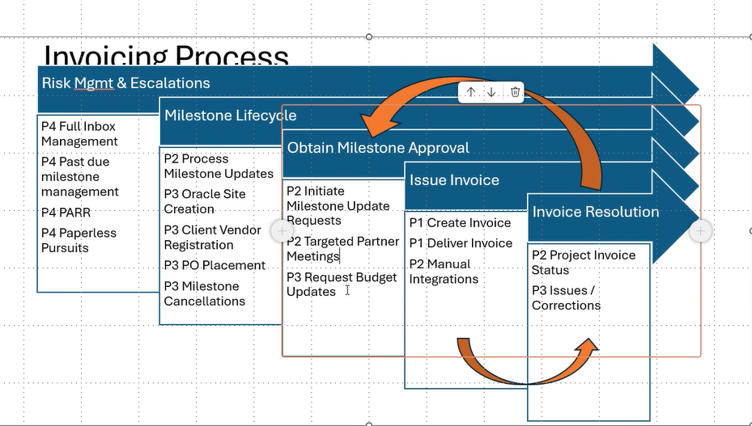
 | Obtain Milestone Approval
 | P2 Initiate Milestone Update Requests | Proactive unbilled escalation to Operations (Account Managers) via emailed PowerBI report (downloaded and emailed) | To-be - proactive prompting straight to stakeholder via Invoicing Agent | 5.3.6.2 | Invoicing agent - prompt Project Manager / Client Services for unbilled on Milestones and T&M | PoC discussions: Periodic revew vs. prompts
 | P2 Targeted Partner Meetings | - Secondary escalation to Operations (Account Managers and Senior Individuals) via meeting - If there's an update to the milestone, that's usually taken by the Invoicing team | - No change - Change management; Client Services should update held/cancelled milestones timely (prompt via KPI tracking on report produced by Agent) | 5.3.6.3 | Invoicing agent - as per above | PoC discussions: Periodic revew vs. prompts
 | P3 Request Budget Updates | When PO comes in or something wasn't represented properly on the invoice - request to Operations to update budget/project in system | To be captured via Contract Capture agent at PO submission | 1.2.5.5 | Contract capture agent - prompt Client Services to make updates
 | Milestone Lifecycle
 | P2 Process Milestone Updates | Any change in system for metadata (e.g., invoice something but PO was closed; pass through cost classified as part of fees; bill-to entity; etc.). Today done by Invoicing team | To-be state would be done by GFS | 5.3.3.3 | Invoicing agent - GFS to work through invoice rejections queue
 | P3 Oracle Site Creation | No master data record exists. Reach out to Master Data team to get a site created so they can bill against - E.g., Europe signs contract; PO for both US and EU; only one signs SOW | To-be state at MSA (Master Data), SOW (contract setup - groups and affiliates) and PO (affiliate) steps - ensure all affiliate entities are in Master Data | - 1.1.5.18 - 1.2.4.14 - 1.2.5.7
 | P3 Client Vendor Registration | Affiliate legal entity/agency needs to be added to Client system as Vendor. Usually done at the time a PO is submitted (would indicate a mismatch between SOW and PO). Today this is done by Invoicing team - Prompt is an inbound (at contracting; various steps) | - To-be state would be done by GFS; Client Services accountable - If no PO, GFS | - 1.1.5.19 - 1.2.4.15 - 1.2.5.5
 | P3 PO Placement | A PO is forwarded to Invoicing team; need to add to system and register for milestones | To-be state - would link to MSA/SOW/PO/project via Contract Capture Agent | 1.2.6.3 | Contract capture agent - PO routing and linkage
 | P3 Milestone Cancellations | Milestones cancelled; Invoicing having conversations with Client Services who will hold last invoice; budget is reduced or taken as a write off; sent to Project Operations to action/track | Change management - Client Service / Project Manager to close out those milestones rather than going to Project Ops | 3.4.1
 | Risk Management & Escalations
 | P4 Full Inbox Management | Catch-all invoicing inbox related to invoicing - new bank account; invoice rejections; clients request accrual estimate; PO submission; etc. | To-be state - any queries would be sent to a central mailbox monitored by GFS. Invoice / PO submissions should be routed to Agent. Update workflow status in Agent or Oracle (e.g., invoice rejection status) | Multiple ServiceNow to be captured via System Initiatives list | Invoicing agent or Oracle invoicing module - enable workflow tracking | - ServiceNow - platform for GFS Collections (billing & revenue not currently in this model) - Potential to use ServiceNow to route emails to track workflow (?) - OPEN (potential for IT initiatives list); GFS review service now and where relevant to pass through to agent
 | P4 Past Due Milestone Management | Escalations. Similar to Targeted Partner Meetings, but with Finance instead of Operations | To-be - proactive prompting straight to stakeholder via Invoicing Agent | 5.3.6.3 | Invoicing agent - prompt Division Finance for unbilled on Milestones and T&M
 | P4 PARR (Projects At-Risk Register) (report) | - Secondary escalations (at Grainne level - monthly review). Projects that are active and generating revenue that don't have a PO. Distributed widely - No commercial model to put controls in to prevent time from being incurred. | No change | 5.3.6.4 | Both agents - flag clients that do/don't require a PO
 | P4 Paperless Pursuits (report) | All active projects that may start this month but don't have paperwork. Trending towards PARR but not at-risk yet. Accured income management - aging accrued income on project which may be fully contracted without authorisation to invoice. Distributed widely | No change | 5.3.6.4

